q1
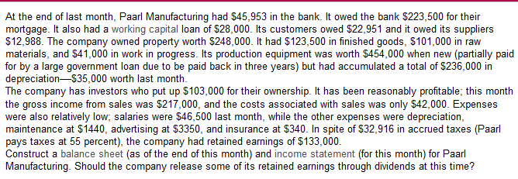

Assets |  |  |  | Rev
 |  |  |  | Gross sales income | 217,000
Current Assets |  |  |  | less cost of goods | 42,000
cash | 45,953 |  | 45,953 | net income of sales |  | 175,000
accounts receive | 22,951 |  | 22,951
finished goods | 123,500 |  | 123,500 | expenses
raw mat | 101,000 |  | 101,000 | salaries | 46,500
wip | 41,000 |  | 41,000 | maint | 1,440
total current | 334,404 |  |  | dep | 35,000
 |  |  |  | ads | 3,350
Long term |  |  |  | insurance | 340
Property |  | 248,000 |  | total expenses |  | 86,630
Equipment | 454,000
acc dep | 236,000 | 218,000 |  | income b4 tax |  | 88,370
total long term |  | 466,000 |  | tax |  | 48,604 | 0.55
 |  |  |  | net income |  | 39,766
total assets |  | 800,404

Liabilities
Current
working capital loan | 28,000
accounts pay | 12,988
accured tax | 32,916
total current liab |  | 73,904

long term
mortgage | 223,500
govern loan | 267,000
total long term |  | 490,500
total liabilities |  | 564,404

OE
shares | 103,000
retained earnings | 133,000
total owners |  | 236,000

total liab and owners |  | 800,404

equity ratio: | 0.2949

 |  | low, too much debt

q2
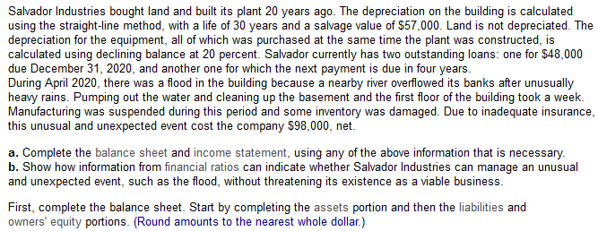

Assets |  |  |  |  |  |  |  |  | Revenues
Current assets |  |  |  |  |  |  |  |  | Gross income from sales |  | $8,660,000
Cash |  |  | $356,000 |  |  |  |  |  | Less |  | 7,475,000
Accounts receivable |  |  | 2,830,000 |  |  |  |  |  |  | Net revenue from sales | $1,185,000
Inventories |  |  | 2,000,000 |  |  |  |  |  | Expenses
Prepaid services |  |  | 164,000 |  |  |  |  |  | Depreciation |  | 66,000
 | Total Current Assets |  | $5,350,000 |  |  |  |  |  | Interest paid |  | 234,000
Long-term assets |  |  |  |  |  |  |  |  | Other expenses |  | 92,000
Building |  | $196,000 |  | N: | 30 |  | sv: | 49000 |  | Total expenses | 392,000
 | Less accumulated depreciation | $98,000 | $98,000 | current: | 20 |  |  |  | Income before taxes |  | $793,000
Equipment |  | 460,000 |  |  |  |  |  |  | Taxes at 35% |  | $277,550
 | Less accumulated depreciation | 454,697 | 5303 | d: | 0.2 |  |  |  | income pre extr |  | $515,450
Land |  |  | 525,000 |  |  |  |  |  | extr |  | 108000 | 0.35
 | Total Long-Term Assets |  | 628,303 |  |  |  |  |  | Net Income (loss) |  | $407,450
Total assets |  |  | $5,978,303

Part 3
 |  |  |  |  |  | current: | 5.34 | both are high
Liabilities and Owners' Equity |  |  |  |  |  | acid test: | 3.18
Current Liabilities |  |  |  |  |  | equity: | 0.58 | low, relies on debt
Accounts payable |  |  | $912,803 |  |  | roa: | 8.62 | low, takes much of pre tax income
Loan due Dec. 31, 2020 |  |  | 58000
Accrued taxes |  |  | 30,500
 | Total Current Liabilities |  | $1,001,303
Long-term Liabilities
Mortgage |  |  | 1,180,000
Long-term loan |  |  | 317,000
 | Total Long-Term Liabilities |  | 1,497,000
Total Liabilities |  |  | $2,498,303
Owners' Equity
Common shares |  |  | 1,930,000
Retained earnings |  |  | $1,550,000
Total Owners' Equity |  |  | 3,480,000
Total Liabilities and Owners' Equity |  |  | 5,978,303

